docker
Docker Deep Dive course
https://learn.acloud.guru/course/06875cfa-fb88-4b28-ac90-150e73bb5a85/dashboard
Introduction to docker
it's a container orchestrator
Two man editions
1. Enterprise edition (EE)
2. Community Edition (CE)

why use docker?
dev/prod parity
simplifying configuration
code pipeline management
developer productivity. Very useful for developers
app isolation, it will impact only a container not the entire app

##################
How to install docker |  | (I've used redhat 8
sudo yum remove -y docker \ |  |  | Uninstall old versions:
docker-client \
docker-client-latest \
docker-common \
docker-latest \
docker-latest-logrotate \
docker-logrotate \
docker-engine
Install Docker CE
Add the Utilities needed for Docker:
sudo yum install -y yum-utils \
device-mapper-persistent-data \
lvm2
Set up the `stable` repository: |  |  |  | this one worked fine in redhat 8
sudo yum-config-manager \ |  |  |  | sudo yum-config-manager \
--add-repo \ |  |  |  | --add-repo \
https://download.docker.com/linux/rhel/docker-ce.repo |  |  |  | https://download.docker.com/linux/centos/docker-ce.repo

sudo yum -y install docker-ce |  |  |  | #Install Docker CE:
sudo systemctl start docker && sudo systemctl enable docker |  |  |  | Enable and start Docker:
sudo usermod -aG docker cloud_user |  |  |  | Add `cloud_user` to the `docker` group:

docker version |  |  |  | it will tell you the docker version
########################################
###############Chapter 3 Docker under the hood
Docker Architecture
the client talks to the docker deamon, which handles
building,running,distributing
Both (client-server) communicate usering a REST API: using unix sockets or network interface
The docker daemon (dockerd):
listens for docker api requests and manages docker objects:
images
containers
networks
volumes
The docker client (docker):
*Is how users interact with Docker
*The client sends these commands to dockerd
Docker registries
*Store docker images called DockerHub |  |  | #it's very similar to a github respository
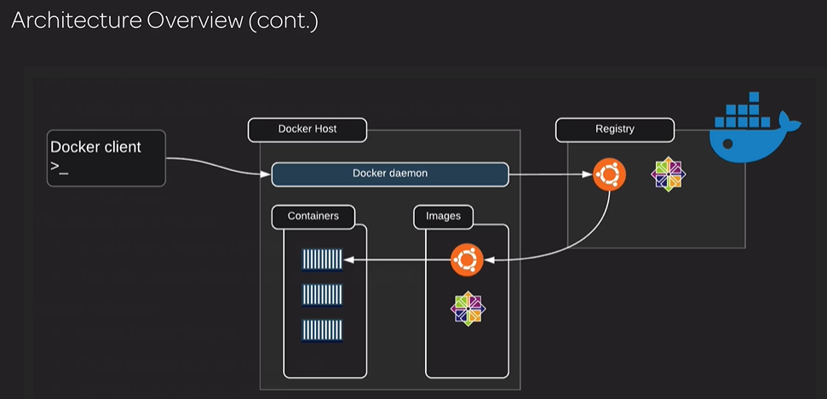

Docker objects
Docker images.
*Read-only template with instructions for creating a docker container
*Image is based on another image
*You can create your own images
*Use Dockerfile to build images
Containers
*Runnable instance of an image
*you can connect a container to networks
*you can attach storage
*Create a new image based on its current state
*Isolated fromother container and the host machine (you can control the level of isolation)
Services
*Scale containers across multiple Docker daemons
* you can use docker swarm for that or kubernetes
*all the docker host are going to be able to communicate with one another using the Docker API
*there are 2 types of nodes in a docker swarm
****you have managers(masters) which are responsible for the management of the cluster
****And you have workers that are responsible for executing tasks
*Services allow you to define a desired state
**for example if you want to have 3 replicas and one of them has an issue and dies off, the service will go and
create a new replacement replica and bring it back up to that desired state
*A service will go and load-balance replicas across all the worker nodes that are in the cluster
#########################################################
######### Chapter 3 Docker Engine
*Modular design
*based on the Open Container Initiative
*The Major components are
**Docker client (with this one we connect to the docker engine)
**Docker daemon (this is in the container engine area)
**containerd | these 2 work together to create and run containers
**runc
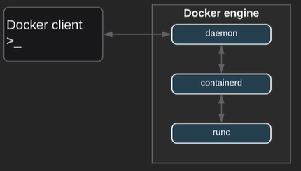

containerd
*it manages the container lifecycle, start,stop, pause, delete
* make image management, that is push, pull images from the registry
runc
*Implementation of the OCI container runtime spec
*Lightweight CLI wrapper for libcontainer
*it creates containers
shim
*it's used to decouple running containers from runc
how shim comes into picture, see below process…
1. when a new container is created containerd forks an instance of runc for each new container
2.runc process exits after the container is created
3.shim process becomes the container parent
4.the above steps allows to run hundreds of containers without running hundreds of runc instances
5. the shim is reponsible for
*STDIN and STDOUT streams open, that way if the daemond is restarted , the container doesn't go and terminate
due to closed pipes.
6. it's also responsible to report the exit status of a container to the Docker daemon
Process Summary
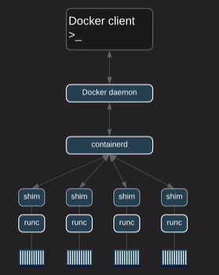

#########################################################
######### Chapter 3 Docker Images and Containers
Docker Images:
*it's a template for your containers
*An image it's like an stop container
*Images are constructed of multiple layers, each one being stacked on top of the next, all layers are read-only , except the last one that is R/W
*you can't delete an image until all the containers using that image have been deleted
*images are built from instructions in the docker file
example:
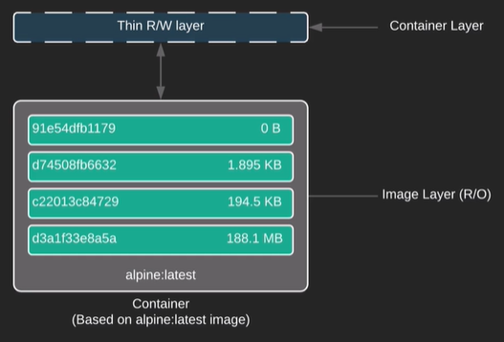

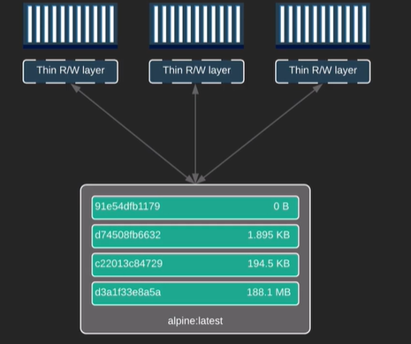
*So a container is image with a Top writable layer
*All changes are stored in the writable layer
*The writable layer is deleted when the container is deleted
 |  |  |  |  | In this image we have 3 container that are
 |  |  |  |  | using the same image, each container
 |  |  |  |  | has it's own R/W layer

######################################################################
########### Chapter 3 Docker hub
Docker Hub
*Public Docker registry
*Provided by Docker
*Think like github but with images
Features
*Public and private Repositories, you can have unlimited public and only 1 private for free
*Official images… Provided by docker
*Publisher images… Provided by 3rd party vendors
this is the docker website
https://hub.docker.com

kubernetes01
kubernetes, course of Pluralsight , installation and configuration fundamentals by Anthony Nocetino

Kubernetes Principles
There is a desired state/Declarative configuration

controlers /control loops

kubernetes api or api server
a colletion of objects that we can use to build and define the systems tha twe want to deploy in code
we deploy with kubernetes using the api server

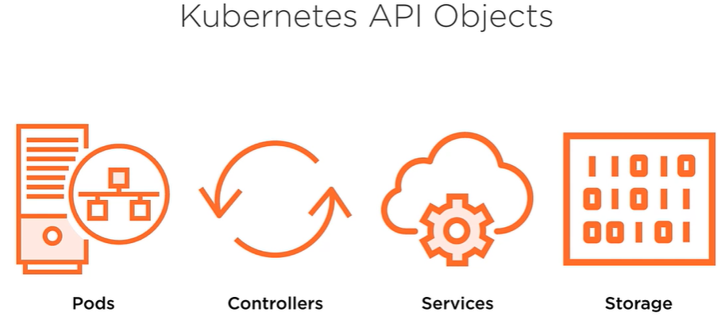
more of api
Kubernetes api objects
Pods, where the containers run
Controllers
like replicasets and deployments
Services
Provide a persistent access point to the applications that we deploy
it needs to be consistent
Storage

Better I'm going ot start with cloud guru
the course is called: Kubernetes deep dive with Nigel Poulton, @nigelpoulton
https://learn.acloud.guru/course/kubernetes-deep-dive/dashboard
Introduction
Why Kubernetes
it's a great container orchestator
it's the coolest thing nowadays like virtual machines was at it's moment
the author has done 2 cool books called: The Kubernetes book and Dockers Deep Dive
Prerequisites
we are going to need access to the internet
a kubernes cluster either on our desktop or in the cloud
in the course he is going to use Minikube and docker for desktop
also a public cloud hosted k8s cluster
http://play-with-k8s.com

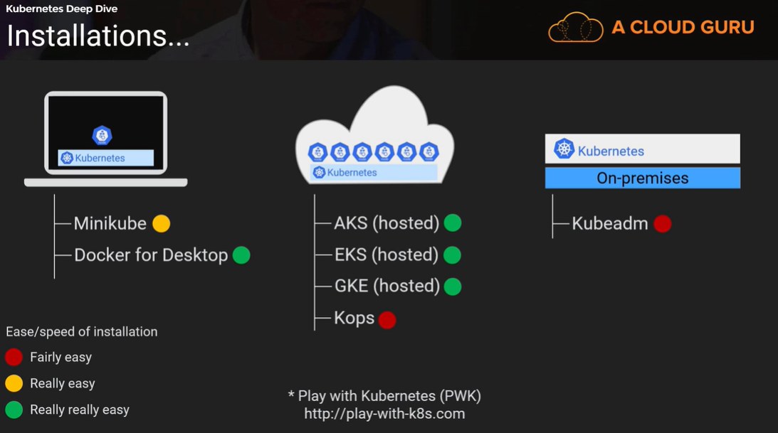

###############################
#############Chapter 2 Kubernetes Big Picture
Kubernetes Primer
Kubernetes allows you run your coud native app
but what is cloud native app?
*are built from lots of small interacting services that come together to form a useful app
Diagram of Kubernetes
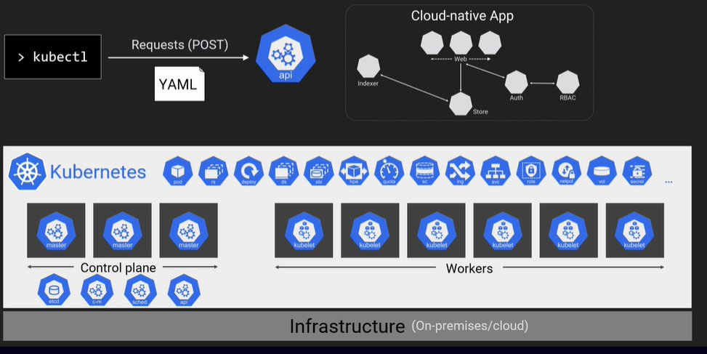

##########################################
### Chapter 2 The Kubernetes API
#########################################
what is the Kubernetes API?
*Is where everything in Kubernetes is defined, example: pods deployment,etc
*it's a RESTful API, that uses standard HTTP methods or verbs to perform CRUDE(Create,Read,Update,Delete) style operations
**RESTful API is an architectural style for an application program interface (API) that uses HTTP requests to access and use data. That data can be used to GET, PUT, POST,PATCH,UPDATE and DELETE data types,
*you can perform these crud operations with kubectl, like creating, reading and deleting objects
*we'll define the different parts of our apps in yaml files and we'll use kubectl to post them to the api server
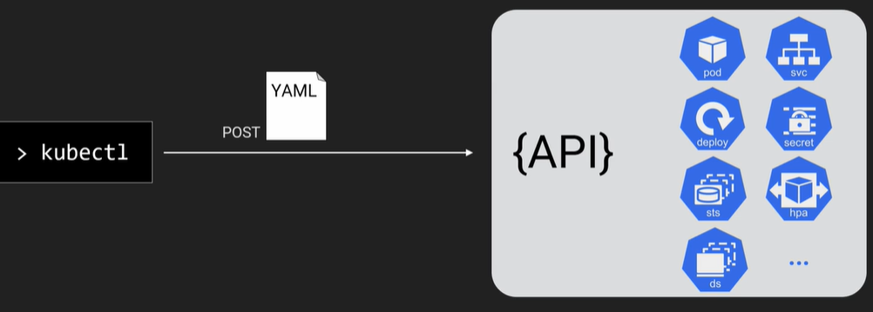

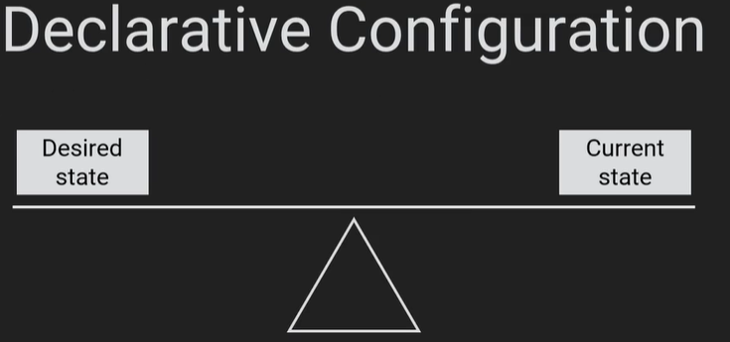
Declarative Configuration
it's the Kubernetes way of deploying and managing apps

1.the kubernetes way to work is to define the various parts of those apps in yaml file,
2.you post these (yamls) to the api server as a record intent.
3.this update the overall desired state of the cluster
4. in the background the control plane is running a ton of watch loops that are constantly checking that the current observed
state of the cluster, matches the current desired state
5.Then control plane kick into life to bring that observed state into line with the new desired state
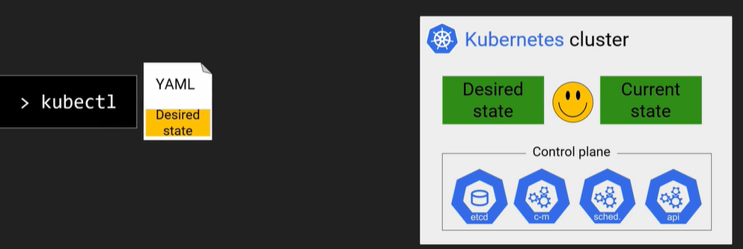

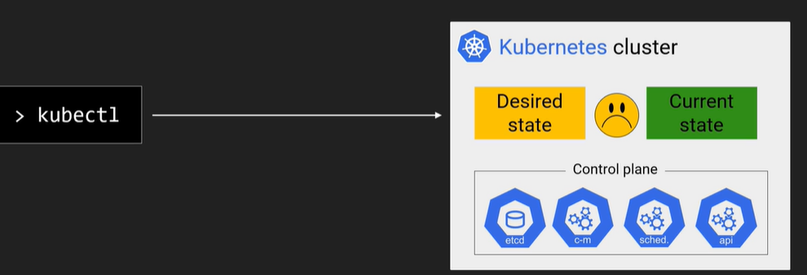

example let's say we change the desired state from 5 to 10 replicas
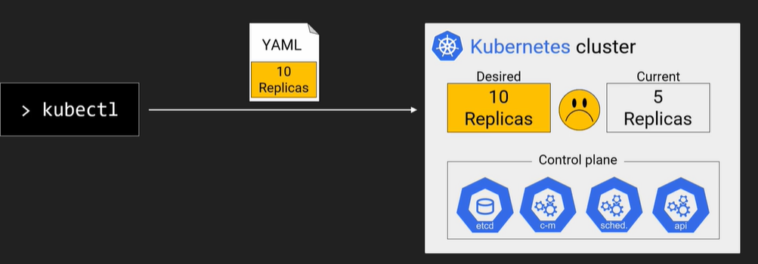

the control plane watch loops will kick off and bring the cluster to the desired state
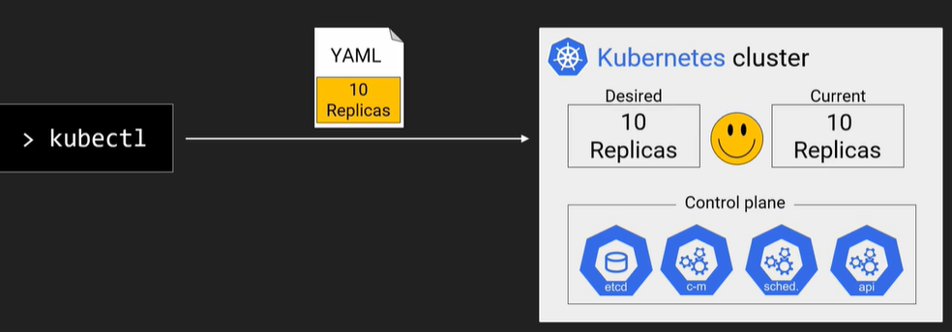

*so the yaml files are a source of true and they server as get this living application documented

The API used to be a monlithic thing but later was decomposed to the below ones.
Also there is a group of people called the SIGs who look after them
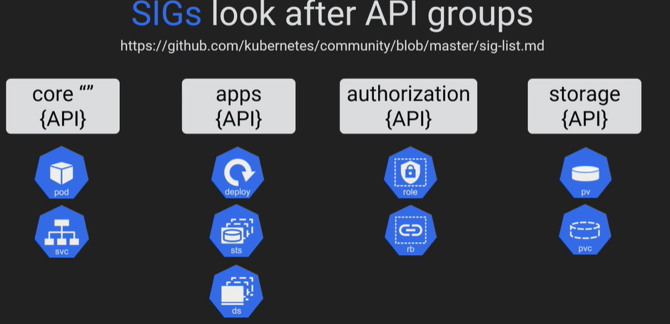

the above SIG groups create features from Alpha, Beta and GA, you can use the below command to see the groups
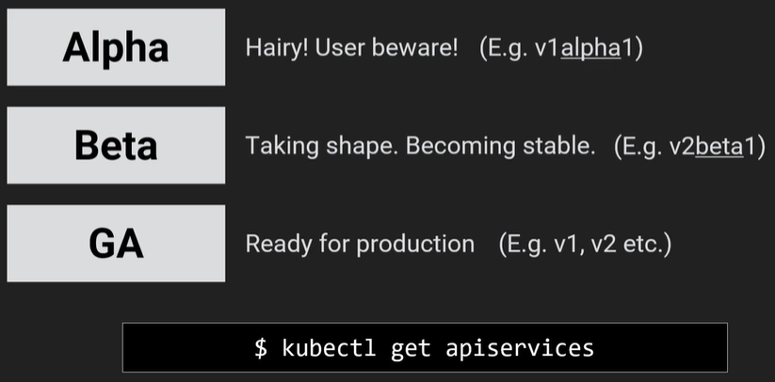

################################
####### Chapter 2 Kubernetes Objects
Pods
*the pod is an object on the cluster
it's the atomic unit for a k8s environment
*Contains one or more containers
*Atomic unit of scheduling, so the smallest thing you can deploy in a k8s cluster is a pod
*Defined in the v1 API group
*the pods are part of the deployment, see below
Deployment
*it's an object on the cluster
*it's a resource in the apps API group
*it makes the pods scalable, rolling updates and rollback simple
*both pods and deployments are part of the API
Deamon Sets(ds)
*They make sure that one and only one of a specific pod will run on every worker in the cluster
Stateful app components
for pods or part of your application with particular stateful requirements
Miscelaneous objects that we are not going to define here: (all are part of the API)
Secrets, volumes(pv) , load balancers(svc) ,
################################
####### Chapter 2 Quick ways to get your own cluster
with gcp I would prefer

